Sheet1
Metric | Random Forest | Decision Tree
AUC | 0.995 | 0.965
Accuracy (CA) | 0.98 | 0.97
F1 Score | 0.98 | 0.97
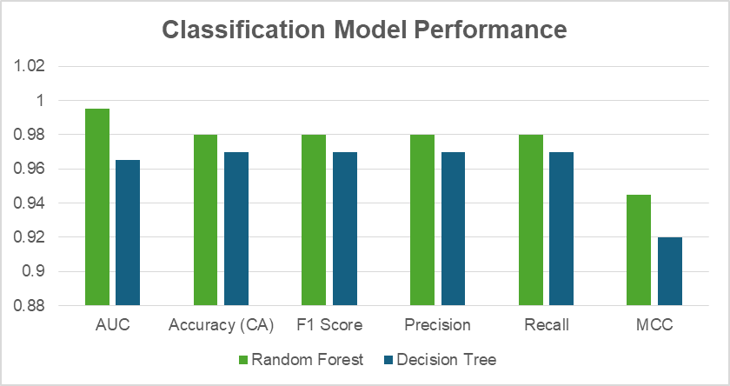
Precision | 0.98 | 0.97
Recall | 0.98 | 0.97
MCC | 0.945 | 0.92

